Remuneration
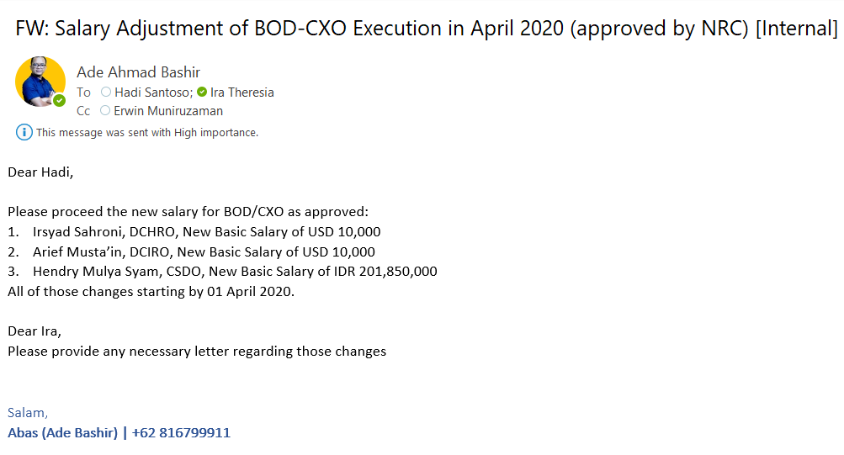
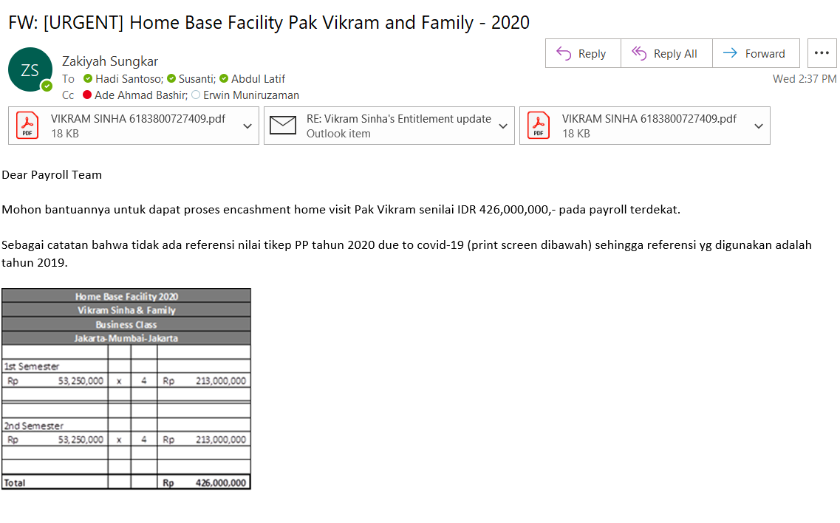
BOD - CHIEF REMUNERATION
PERIOD OCTOBER 2020

Conversion rate on 15.09.2020 | BI | BCA | HSBC | Average | Rounded
 | 14,944.35 | 14,880.00 | 15,270.00 | 15,031.45 | 15,000.00

 | Arief Mustain |  | Eyas Naif Saleh Assaf |  | Irsyad Sahroni |  | Vikram Sinha |  | Ahmad Al Neama
Reguler Payment | USD | IDR | USD | IDR | USD | IDR | USD | IDR | USD | IDR
Basic Salary | 10,000 | 150,000,000 | 5,000 | 75,000,000 | 10,000 | 150,000,000 | 8,000 | 120,000,000 | 10,500 | 157,500,000
Retirement Allowance | - | - | - | - | 1,000 | 15,000,000 | - | - | - | -
Housing Allowance | 5,000 | 75,000,000 | - | - | 5,000 | 75,000,000 | - | - | - | -
Transport Allowance | 3,000 | 45,000,000 | - | - | 3,000 | 45,000,000 | - | - | - | -
Ticket |  |  |  | 150,000,000 |  |  |  |  | - | -
Lunch Allowance | - | - | - | - | - | 2,640,000 | - | - | - | -
Secondment allowance | - | - | - | - | - | - | - | - | - | -
Hardship allowance | - | - | - | - | - | - | - | - | - | -
TOTAL | 18,000 | 270,000,000 | 5,000 | 225,000,000 | 19,000 | 287,640,000 | 8,000 | 120,000,000 | 10,500 | 157,500,000

 | Indar Atmanto |  | Ritesh Kumar Singh |  | Mohamed Afzal Lodhi |  | Medhat Ahmed Ibrahim |  | Bayu Hanantasena |  | Natasha Nababan
Reguler Payment | USD | IDR | USD | IDR | USD | IDR | USD | IDR | USD | IDR | USD | IDR
Basic Salary | - | 104,274,000 | 24,000 | 360,000,000 | 5,000 | 75,000,000 | 29,000 | 435,000,000 | - | 119,000,000 | - | 145,000,000
Retirement Allowance | - | 10,427,400 | - | - | - | - | - | - | - | - | - | -
Housing Allowance | 5,000 | 75,000,000 | 5,000 | 75,000,000 | - | - | 5,000 | 75,000,000 | 5,000 | 75,000,000 | 5,000 | 75,000,000
Transport Allowance | 3,000 | 45,000,000 | 3,000 | 45,000,000 | - | - | 3,000 | 45,000,000 | 3,000 | 45,000,000 | 3,000 | 45,000,000
Lunch Allowance | - | 2,640,000 | - | - | - | - | - | - | - | - | - | -
TOTAL | 8,000 | 237,341,400 | 32,000 | 480,000,000 | 5,000 | 75,000,000 | 37,000 | 555,000,000 | 8,000 | 239,000,000 | 8,000 | 265,000,000 | -

 | Vikram Sinha |  | Ritesh Kumar Singh |  | Natasha Nababan
NON REGULER PAYMENT | USD | IDR | USD | IDR | USD | IDR
Homevisit Ticket | - | 426,000,000 | - | - | - | -
Sign On Bonus | - | - | - | - | - | 1,000,000,000
Club Membership Joining Fee | - | - | - | - | - | 150,000,000
Advance Housing Allowance | - | - | 45,000 | 675,000,000 | - | -
TOTAL | - | 426,000,000 | 45,000 | 675,000,000 | - | 1,150,000,000

Jakarta, September 16, 2020

Approved by,
SVP - Head of HR Operations

Erwin Muniruzaman
NIK. 69198062

